Sheet1
No | Type | SKU | Part Number | Brand | Tag | Title | Vehicle | OEM | Picture | Url
1 | Brake Kits | BKA34354 | 1APBS07436 | TRQ Performance | Replaces | 1996-00 Toyota 4Runner with 16 Inch Wheels with Caliper Casting #S13WM Front Ceramic Performance Brake Pad & Rotor Kit with Calipers & Hoses TRQ Performance BKA34354 | Toyota 4Runner 1996-2000 | EHT611H;19567;SL19681;31204;19535;R46890;FRC10792N;19-1830;SGD611C;SL19680;FRC10791;350-76172;BH126621;13020643;FRC10791N;9094702603;18J918;077-1248S;10-06494-1;18FR1424;90947A2061;BR31204;9094702862;1405-19535;ER2722;PRT5137;18FR1423;446535230;FRC10792;9094702H31;077-1247C;446535061;96632;18R1424;22-01597L;077-1247S;14-9225;14-9224;077-1248C;BH38986;11-9225;9094702B14;90947W2036;C44177;18FR1424C;19-1831;9094702637;ER2735K;18FR1423C;R46889;449135251;AA1191830;AA1191831;22-01597R;MGD611CH;10-06493-1;ER2734K;BD125527;9094702G36;4773035120;446535190;4775035120;11-9224;2203606;449135240;449135250;SL46890;9008094073;9004A94118;150.44362;N1040231225CAR;13020642;C44178;CD611;9094702E09;18R1423;N1040231226CAR;BH145112;SL46889;1405-19567;9094702618;78425;073-1726;CD463;H38986;331-76162;331-76163 | 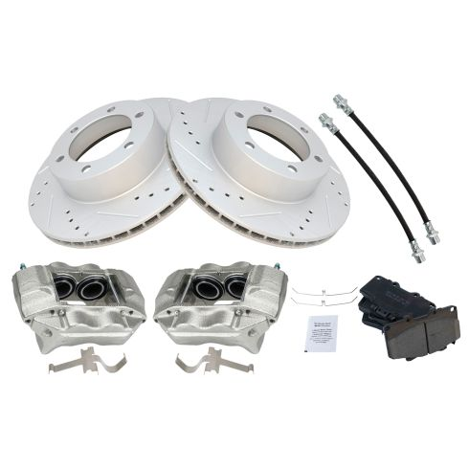 | https://www.1aauto.com/1996-00-toyota-4runner-with-16-inch-wheels-with-caliper-casting-%23s13wm-front-ceramic-performance-brake-pad-and-rotor-kit-with-calipers-and-hoses-trq-performance-bka34354/i/1apbs07436
2 | Brake Kits | BKA34353 | 1APBS07435 | TRQ Performance | Replaces | 1996-00 Toyota 4Runner with 16 Inch Wheels with Caliper Casting #S13WM Front Semi-Metallic Performance Brake Pad & Rotor Kit with Calipers & Hoses TRQ Performance BKA34353 | Toyota 4Runner 1996-2000 | SL19680;077-1248C;073-1726;SL46890;R46890;446535190;9094702862;11-9225;446535061;9094702603;19-1830;14-9225;22-01597L;449135250;18J918;22-01597R;EHT611H;18R1424;ER2735K;449135240;FRC10792;077-1247C;SL19681;78425;BH38986;C44177;9094702G36;N1040231225CAR;MD611;4775035120;9004A94118;449135251;FRC10791;14-9224;90947W2036;18FR1424;BH145112;C44178;9094702H31;19535;13020642;N1040231226CAR;077-1248S;446535230;BD125527;9008094073;PRT5137;BH126621;18FR1423C;10-06494-1;9094702637;AA1191831;1405-19567;11-9224;SL46889;ER2734K;10-06493-1;350-76172;BR31204;077-1247S;R46889;1405-19535;FRC10791N;FRC10792N;13020643;4773035120;19567;AA1191830;19-1831;9094702618;2203606;ER2722;9094702B14;150.44362;9094702E09;96632;31204;18FR1423;18FR1424C;18R1423;90947A2061;MD463;H38986;331-76162;331-76163;SP1420 | 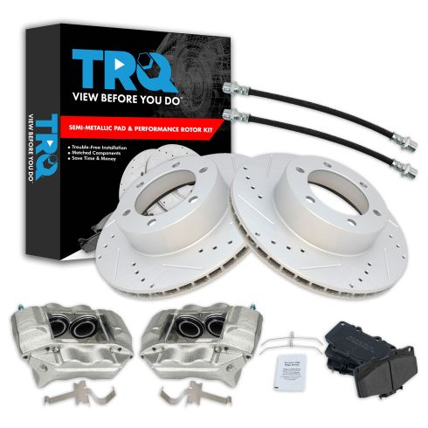 | https://www.1aauto.com/1996-00-toyota-4runner-with-16-inch-wheels-with-caliper-casting-%23s13wm-front-semi-metallic-performance-brake-pad-and-rotor-kit-with-calipers-and-hoses-trq-performance-bka34353/i/1apbs07435
3 | Brake Kits | BKA18400 | 1ABFS08708 | TRQ | Replaces | 1996-00 Dodge Chrysler Plymouth Front Driver & Passenger Side Semi-Metallic Brake Pad & Rotor Kit with Calipers TRQ BKA18400 | Chrysler Town & Country 1996-2000 Dodge Caravan 1996-2000 Dodge Grand Caravan 1996-2000 Plymouth Grand Voyager 1996-2000 Plymouth Voyager 1996-2000 | PRT5152;141.6306;FRC10617;4728124;FRC10618;98-17646R-C;BD125502;22-17646L;FRC10363;5346;76646;18FR1084;MD591;PRT1576;10-C1141;22-17646R;AX5346;10-C1140;AXMD591;C63059;5373;18FR1083;98-17646L-C;BR5346;C63060;141.63059;76161;14-1141;14-1140;FRC10364;BD125156;04683432;4815797;04721820AD;4721820AE;4683432;04423368;04721820AE;04721820;4721820AD;04683260;4683260;04815797;4721820;4423368;04509340;4509340;18-4642;18-4643;76646P;76161R;76161FZN;76646R;76646FZN;76161P;530-01882;331-40050;331-40051 | 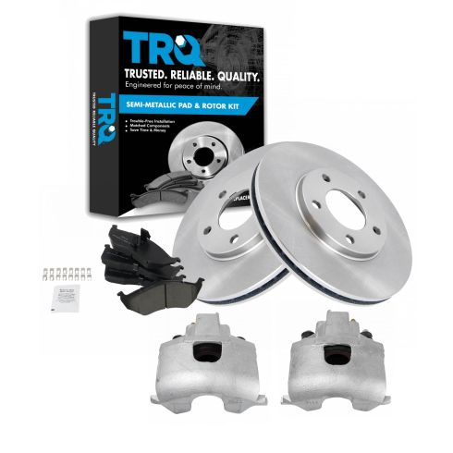 | https://www.1aauto.com/1996-00-dodge-chrysler-plymouth-front-driver-and-passenger-side-semi-metallic-brake-pad-and-rotor-kit-with-calipers-trq-bka18400/i/1abfs08708
4 | Brake Kits | BKA21616 | 1APBS04134 | TRQ Performance | Replaces | 1996-00 Dodge Chrysler Plymouth Front Driver & Passenger Side Ceramic Performance Brake Pad & Rotor Kit TRQ Performance BKA21616 | Chrysler Town & Country 1996-2000 Dodge Caravan 1996-2000 Dodge Grand Caravan 1996-2000 Plymouth Grand Voyager 1996-2000 Plymouth Voyager 1996-2000 | 4728124;10-C1140;141.6306;18FR1083;22-17646R;76161;98-17646R-C;5373;C63059;C63060;FRC10364;FRC10618;18FR1084;141.63059;10-C1141;14-1140;5346;76646;FRC10617;CD591;4509340;FRC10363;22-17646L;14-1141;BR5346;98-17646L-C;QBRR45;YH2174;141576;4423368;552174;R91780;1015373;04509340;13104085;405-10-003;BR5346-02;405-10-006;28-86161;18A426A;CW24715;125502;R91060;P76161;1407-25079;1407-25552;491060;121.67039;4683432;AX5346;PRT5152;4815797;4683260;CW24153;405-14-022;Q5346;EC5373;491780;18A822;04815797;BD5346;YH141576;13064085;145152;18A822A;04721820AE;40514034500;PRT1576;442174;1015346;04721820AD;120.67021;442170;28-86646;GBC5373;8-76161;552170;4721820AD;13064071;86646;YH145152;BD5347;25079;4721820AE;121.67021;40514034501;14-5373;14-5346;Q5373;65570;ONZ0018;04683432;04683260;405-14-034;04423368;25552;120.67039;65440;RS76161;YH2170;8-76646;5371;RS76646;4721820;GBC5346;GC5346;40510003501;125.67039;04721820;GC5373;18A426;125.67021;86161;13104071;40510003500;PR91780;18-4643;18-4642;PR91060;331-40050;331-40051 | 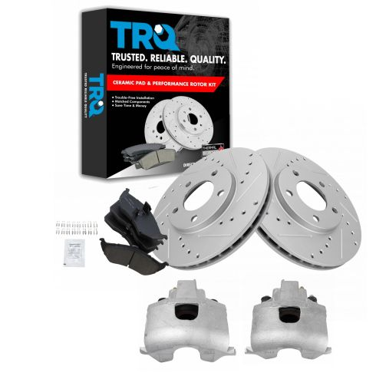 | https://www.1aauto.com/1996-00-dodge-chrysler-plymouth-front-driver-and-passenger-side-ceramic-performance-brake-pad-and-rotor-kit-trq-performance-bka21616/i/1apbs04134
5 | Brake Kits | BKA29570 | 1ABFS16142 | TRQ | Replaces | 1996-00 Dodge Chrysler Plymouth Front Ceramic Brake Pad & Rotor Kit with Calipers & Hoses TRQ BKA29570 | Chrysler Town & Country 1996-2000 Dodge Caravan 1996-2000 Dodge Grand Caravan 1996-2000 Plymouth Grand Voyager 1996-2000 Plymouth Voyager 1996-2000 | 4797621;FRC10617;04815797;14-1140;18FR1084;98-17646R-C;4721820;CD591;350-40158;4683432;141.6306;04721820AE;FRC10363;BD125502;4815797;BR5346;2201064;14-1141;04721820AD;150.67064;4683260;04683432;22-17646R;350-40157;AX5346;18J2050;78771;4797620AC;76646;150.67063;2201063;04423368;BH380460;22-17646L;FRC10618;4721820AD;5373;BH132362;10-C1141;98-17646L-C;4728124;76161;PRT5152;18-4643;4509340;4423368;4721820AE;141.63059;4797620;4797621AD;BH132361;10-C1140;18J3261;PRT1576;5346;04509340;BH380461;C63059;04683260;BD125156;78363;C63060;FRC10364;04721820;18FR1083;18-4642;76646R;76161P;76646P;76161R;76161FZN;76646FZN;530-01882;H380460;H380461;331-40050;331-40051 | 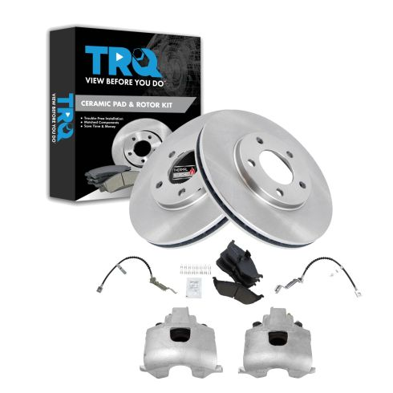 | https://www.1aauto.com/1996-00-dodge-chrysler-plymouth-front-ceramic-brake-pad-and-rotor-kit-with-calipers-and-hoses-trq-bka29570/i/1abfs16142
6 | Brake Kits | BKA29571 | 1ABFS16143 | TRQ | Replaces | 1996-00 Dodge Chrysler Plymouth Front Semi-Metallic Brake Pad & Rotor Kit with Calipers & Hoses TRQ BKA29571 | Chrysler Town & Country 1996-2000 Dodge Caravan 1996-2000 Dodge Grand Caravan 1996-2000 Plymouth Grand Voyager 1996-2000 Plymouth Voyager 1996-2000 | 4797621;4721820;4683432;BH380460;PRT1576;18FR1083;98-17646R-C;10-C1140;BR5346;76161;350-40158;18-4642;4721820AD;04683432;BD125156;C63059;FRC10617;2201064;10-C1141;5373;150.67063;78363;04683260;76646;04509340;18J3261;4728124;BH132361;350-40157;AX5346;4797621AD;4797620;141.63059;18FR1084;4509340;FRC10363;4797620AC;78771;141.6306;FRC10618;BH132362;04815797;14-1140;AXMD591;4815797;5346;4721820AE;4683260;150.67064;BH380461;MD591;04423368;22-17646R;2201063;BD125502;FRC10364;04721820AE;18-4643;04721820AD;C63060;98-17646L-C;18J2050;4423368;14-1141;04721820;22-17646L;PRT5152;76646R;76646FZN;76646P;76161P;76161FZN;76161R;530-01882;H380461;H380460;331-40051;331-40050 | 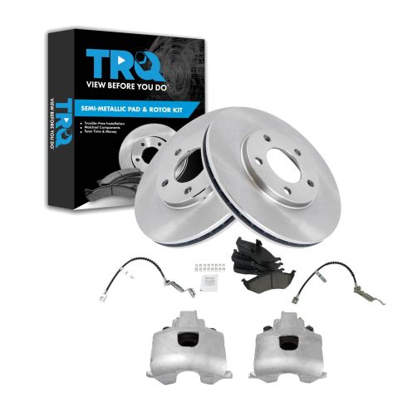 | https://www.1aauto.com/1996-00-dodge-chrysler-plymouth-front-semi-metallic-brake-pad-and-rotor-kit-with-calipers-and-hoses-trq-bka29571/i/1abfs16143
7 | Brake Kits | BKA29572 | 1ABFS16144 | TRQ | Replaces | 1996-00 Dodge Caravan Plymouth Voyager Front Ceramic Brake Pad & Rotor Kit with Calipers & Hoses TRQ BKA29572 | Dodge Caravan 1996-2000 Plymouth Voyager 1996-2000 | 98-17646R-C;BR5371;FRC10617;PRT5063;4797620AC;FRC10618;18J3261;C63059;18-4642;C63060;78363;98-17646L-C;4797621;BD125483;4728124;BH132362;14-1141;BH380461;22-17646R;141.6306;2201063;18FR1083;18FR1084;76561;141.63059;350-40158;150.67064;18-4643;10-C1141;4797621AD;78771;150.67063;FRC10364;CD591;4797620;22-17646L;350-40157;18J2050;2201064;FRC10363;BH132361;5371;10-C1140;BH380460;14-1140;76561FZN;76561P;76561R;530-01885;H380460;H380461;331-40050;331-40051 | 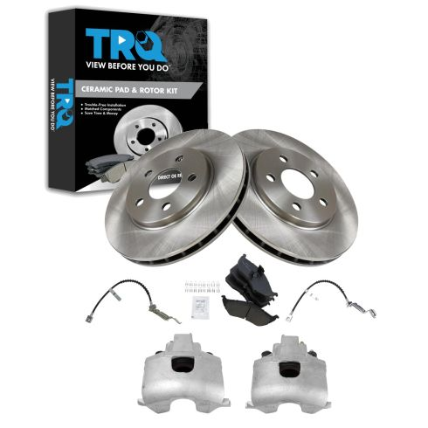 | https://www.1aauto.com/1996-00-dodge-caravan-plymouth-voyager-front-ceramic-brake-pad-and-rotor-kit-with-calipers-and-hoses-trq-bka29572/i/1abfs16144
8 | Brake Kits | BKA18515 | 1ABFS08705 | TRQ | Replaces | 1996-00 Dodge Chrysler Plymouth Front Driver & Passenger Side Ceramic Brake Pad & Rotor Kit with Calipers TRQ BKA18515 | Chrysler Town & Country 1996-2000 Dodge Caravan 1996-2000 Dodge Grand Caravan 1996-2000 Plymouth Grand Voyager 1996-2000 Plymouth Voyager 1996-2000 | BD125156;18FR1083;FRC10618;14-1140;10-C1141;FRC10364;FRC10363;BD125502;4728124;5373;10-C1140;76646;PRT1576;141.6306;14-1141;FRC10617;141.63059;98-17646R-C;AX5346;C63059;C63060;76161;5346;BR5346;18FR1084;CD591;22-17646L;22-17646R;98-17646L-C;PRT5152;04721820AD;04721820AE;04423368;4423368;4509340;4683432;04815797;04509340;04683432;4721820AD;4721820AE;4815797;04721820;4721820;4683260;04683260;18-4643;18-4642;76161P;76161FZN;76646FZN;76646P;76161R;76646R;530-01882;331-40051;331-40050 | 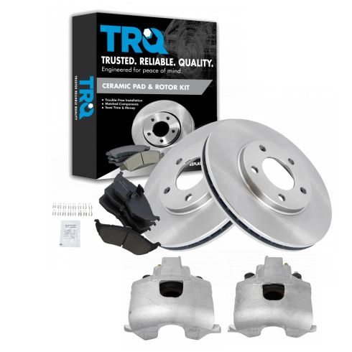 | https://www.1aauto.com/1996-00-dodge-chrysler-plymouth-front-driver-and-passenger-side-ceramic-brake-pad-and-rotor-kit-with-calipers-trq-bka18515/i/1abfs08705
9 | Brake Kits | BKA29573 | 1ABFS16145 | TRQ | Replaces | 1996-00 Dodge Caravan Plymouth Voyager Front Semi-Metallic Brake Pad & Rotor Kit with Calipers & Hoses TRQ BKA29573 | Dodge Caravan 1996-2000 Plymouth Voyager 1996-2000 | 4797620AC;18FR1084;18-4643;BH380460;C63059;22-17646R;FRC10364;5371;AXMD591;4728124;18J3261;BH132361;22-17646L;78363;MD591;10-C1140;350-40158;10-C1141;14-1141;18J2050;76561;FRC10363;2201063;BR5371;98-17646R-C;14-1140;BH132362;BD125483;78771;C63060;4797621AD;18-4642;18FR1083;PRT5063;FRC10617;98-17646L-C;150.67063;150.67064;BH380461;FRC10618;350-40157;4797620;141.6306;4797621;141.63059;2201064;76561P;76561R;76561FZN;H380461;530-01885;H380460;331-40051;331-40050 | 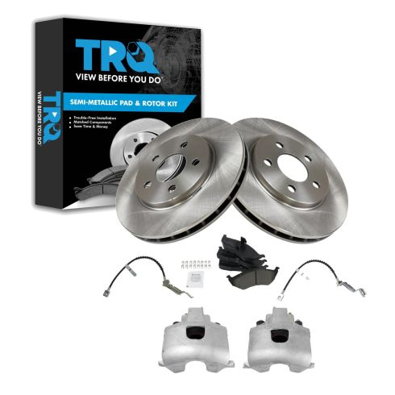 | https://www.1aauto.com/1996-00-dodge-caravan-plymouth-voyager-front-semi-metallic-brake-pad-and-rotor-kit-with-calipers-and-hoses-trq-bka29573/i/1abfs16145
10 | Brake Kits | BKA21617 | 1APBS04135 | TRQ Performance | Replaces | 1996-00 Dodge Chrysler Plymouth Front Driver & Passenger Side Semi-Metallic Performance Brake Pad & Rotor Kit TRQ Performance BKA21617 | Chrysler Town & Country 1996-2000 Dodge Caravan 1996-2000 Dodge Grand Caravan 1996-2000 Plymouth Grand Voyager 1996-2000 Plymouth Voyager 1996-2000 | C63060;FRC10618;22-17646L;5373;MD591;AXMD591;18FR1084;4728124;76161;BR5346;141.6306;98-17646L-C;10-C1140;C63059;141.63059;14-1141;FRC10363;4509340;10-C1141;76646;22-17646R;FRC10364;FRC10617;5346;14-1140;18FR1083;98-17646R-C;121.67021;125.67021;145152;CW24153;120.67039;18A426;GBC5373;1015373;04509340;EC5373;4721820AD;120.67021;405-14-034;13104071;442170;4683260;4721820;1015346;BD5346;04721820AD;552174;04815797;405-10-006;RS76161;GC5346;40510003501;491060;121.67039;P76161;PRT1576;QBRR45;BR5346-02;125.67039;13064071;YH145152;14-5346;YH2174;552170;AX5346;18A822A;86646;Q5373;5371;YH141576;13064085;RS76646;65440;8-76646;4721820AE;141576;YH2170;04423368;Q5346;ONZ0018;405-10-003;R91060;18A426A;04721820;4683432;4815797;PRT5152;BD5347;13104085;8-76161;25079;125502;86161;4423368;04683432;GBC5346;40510003500;GC5373;1407-25552;1407-25079;40514034500;CW24715;R91780;25552;04721820AE;28-86646;405-14-022;28-86161;491780;14-5373;18A822;65570;04683260;40514034501;442174;PR91780;PR91060;18-4642;18-4643;331-40050;331-40051 | 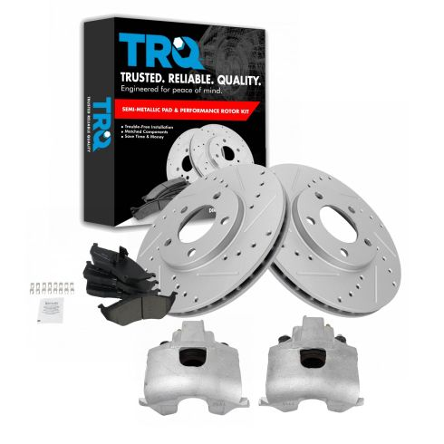 | https://www.1aauto.com/1996-00-dodge-chrysler-plymouth-front-driver-and-passenger-side-semi-metallic-performance-brake-pad-and-rotor-kit-trq-performance-bka21617/i/1apbs04135

